Case EEMPA SS
Process Flow Diagram
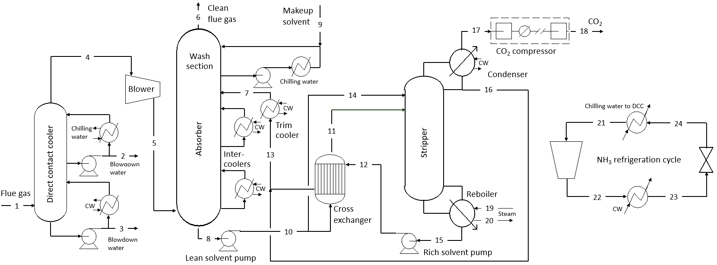

Stream Table |  | Flue gas flowrate as reported in Case B23B was scaled down to achieve a net plant power output of 650 MW |  |  |  |  |  |  |  |  | Scaling factor |  | 0.934

 |  | 1 | 2 | 3 | 4 | 5 | 6 | 7 | 8 | 9 | 10 | 11 | 12 | 13 | 14 | 15 | 16 | 17 | 18 | 19 | 20 | 21 | 22 | 23 | 24
 | V-L Mole Fraction
 | Ar | 0.0081 |  |  | 0.0093 | 0.0093 | 0.0108
 | CO2 | 0.1246 | 0.0002 | 0.0001 | 0.1439 | 0.1439 | 0.0168 | 0.0850 | 0.2092 |  | 0.2092 | 0.2092 | 0.0850 | 0.0850 | 0.2092 | 0.0850 | 0.0730 | 0.9828 | 0.9979
 | EEMPA |  |  |  |  | 0 | 1.0E-04 | 0.7550 | 0.6428 | 1.0000 | 0.6428 | 0.6428 | 0.7553 | 0.7550 | 0.6428 | 0.7553 | 0.1130
 | H2O | 0.1494 | 0.9998 | 0.9999 | 0.0176 | 0.0176 | 0.0074 | 0.1600 | 0.1480 |  | 0.1480 | 0.148 | 0.1600 | 0.1600 | 0.1480 | 0.1600 | 0.8140 | 0.0169 | 0.0019 | 1.0000 | 1.0000
 | N2 | 0.6813 |  |  | 0.7870 | 0.787 | 0.9157 |  |  |  |  |  |  |  |  |  |  | 0.0002 | 0.0002
 | NH3 |  |  |  |  | 0 |  |  |  |  |  |  |  |  |  |  |  |  |  |  |  | 1.0000 | 1.0000 | 1.0000 | 1.0000
 | O2 | 0.0366 |  |  | 0.0422 | 0.0422 | 0.0492

 | V-F Flowrate (kgmol/hr) | 108,875 | 1,456 | 13,158 | 94,260 | 94,260 | 81,004 | 75,950 | 89,207 | 4 | 89,207 | 80,286 | 75,918 | 75,950 | 8,921 | 75,918 | 33 | 12,430 | 12,242 | 30,495 | 30,495 | 4,839 | 4,839 | 4,839 | 4,839
 | V-L Flowrate (kg/hr) | 3,130,665 | 26,244 | 237,070 | 2,867,352 | 2,867,352 | 2,313,079 | 12,908,534 | 13,462,769 | 785 | 13,462,769 | 12,116,502 | 12,907,133 | 12,908,534 | 13,462,769 | 12,907,133 | 1,387 | 541,527 | 538,142 | 549,378 | 549,378 | 82,412 | 82,412 | 82,412 | 82,412

 | Temperature (°C) | 56.2 | 15.6 | 25.6 | 15.6 | 24 | 32.2 | 23.9 | 38.9 | 23.9 | 39 | 81.1 | 95.7 | 43 | 39 | 95.7 | 30 | 30 | 44.1 | 150.4 | 105.7 | 10.5 | 62 | 28.9 | 10
 | Pressure (bar, abs) | 1.03 | 1.02 | 1.02 | 1.02 | 1.1 | 1 | 1.5 | 1.1 | 1.5 | 6.5 | 6 | 6 | 1.5 | 6.5 | 2.4 | 3.9 | 2.2 | 152.7 | 1.4 | 1.2 | 6.2 | 11.5 | 11.5 | 6.2
 | AspenPlus Enthalpy (kJ/kg) | -2959 | -15923 | -15872 | -2012 | -2004 | -288 | -2762 | -2957 | -2343 | -3078 | -2939 | -2588 | -2720 | -3078 | -2588 | -7659 | -8975 | -9157 | -13207 | -15537 | -2764 | -2656 | -3901 | -3901
 | Density (kg/m3) | 1.11 | 998.9 | 996.8 | 1.29 | 1.36 | 1.12 | 966.4 | 1056.6 | 933.3 | 1056.8 | 1029.9 | 937.1 | 963.3 | 1056.8 | 937.2 | 995.2 | 3.81 | 489.4 | 0.6 | 960.7 | 4.86 | 7.63 | 597.1 | 60.5
 | V-L Molecular Weight | 28.75 | 18.02 | 18.02 | 30.42 | 30.42 | 28.55 | 170 | 150.9 | 216.4 | 150.9 | 150.9 | 170 | 170 | 150.9 | 170 | 42.3 | 43.57 | 44 | 18.01 | 18.01 | 17.03 | 17.03 | 17.03 | 17.03

Utility Consumption |  | Steam consumption for solvent regeneration was reported in the Stream Table; Note that LP steam instead of IP steam is used because of the low regeneration temperature

 | Electricity
 | NH3 Compressor | 2,467 | kW
 | Lean Solvent Pump | 1,618 | kW
 | Rich Solvent Pump | 2,226 | kW
 | Wash Section Pump | 3,451 | kW
 | Stripper Reflux Pump | 1 | kW
 | Flue Gas Blower | 6,686 | kW
 | CO2 Compressor | 39,018 | kW

 | Cooling Water
 | NH3 Refrigeration Cycle | 199.3 | GJ/hr
 | Absorber Intercoolers | 724.1 | GJ/hr
 | Trim Cooler | 550.2 | GJ/hr
 | Stripper Condenser | 27.3 | GJ/hr
 | DCC CW Cooler | 681.4 | GJ/hr

Equipment List

Carbon Dioxide Removal |  | Scale |  | Spare | Equipment Cost (2018Q1)
Blowers/Compressors
 | Flue Gas Blower | 6686 | kW |  | $9,734,153
Heat Exchangers
 | DCC CW Cooler | 681.4 | GJ/hr |  | $9,375,789
 | DCC Chilling Water Cooler | 93.7 | GJ/hr |  | $294,503
 | Absorber Intercooler 1 | 337.2 | GJ/hr |  | $2,697,906
 | Absorber Intercooler 2 | 386.9 | GJ/hr |  | $3,017,351
 | Solvent Cross Exchanger | 1694.3 | GJ/hr |  | $16,140,359
 | Lean Solvent Trim Cooler | 550.2 | GJ/hr |  | $5,878,902
 | Stripper Reboiler | 1280.5 | GJ/hr |  | $14,320,234
 | Stripper Condenser | 27.3 | GJ/hr |  | $88,466
 | Wash Column Cooler | 20.5 | GJ/hr |  | $70,263
Columns/Vessels
 | Direct Contact Cooler * | 18.9 | m, Diameter |  | $16,853,270
 |  | 16.0 | m, Height
 | Absorber * | 22.6 | m, Diameter |  | $24,557,623
 |  | 19.8 | m, Height
 | Stripper * | 11.2 | m, Diameter |  | $8,363,838
 |  | 12.0 | m, Height
 | Absorber Overhead Accumulator |  |  |  | $385,374
 | Stripper Condensate Drum |  |  |  | $55,502
Pumps
 | DCC Bulk Cooler Pump | 681 | kW | 1 | $4,772,000
 | DCC Chilling Stage Pump | 94 | kW | 1 | $164,123
 | Wash Section Pump | 3451 | kW | 1 | $90,532
 | Rich Solvent Pump | 2226 | kW | 1 | $4,228,233
 | Lean Solvent Pump | 1618 | kW | 1 | $4,772,000
 | Reflux Pump | 1 | kW | 1 | $11,273
Others
 | Solvent Storage Tanks |  |  |  | $2,102,072
 | Refrigeration Plant | 7401 | ton |  | $8,547,316
 | Lean Solvent Filter ** |  |  |  | $3,109,998
 | Miscellaneous ** |  |  |  | $10,256,727
Total Equipment Cost (2018 Q1 $) |  |  |  |  | $149,887,809
Total Equipment Cost (2018 Dec $) |  |  |  |  | $158,672,914
Total Plant Cost (2018 Dec $) |  |  |  |  | $613,133,129

CO2 Compressor & Drying |  | Scale |  |  | Total Plant Cost (2018 Dec $)
 |  | 39,018 | kW |  | $78,731,830

1 | Capital cost of CO2 compressor was scaled based on Case B12B in Rev 4 report with a scaling factor of 0.84.
2 | Equipment cost of key equipment in the CO2 capture unit was estimated using Aspen Process Economic Analyzer V11 in 2018 Q1 US dollar basis.
3 | CEPCI was used to convert 2018 Q1 dollar to 2018 Dec dollor; a factor of 3.699, the same as Base B12B, was used to calculate total plant cost from equipment cost.
* | For columns, packing size is listed.
** | Cost was estimated based on previous collaboration with Fluor on other solvents.

